Introduction
Checklist to Reduce Disposable Use
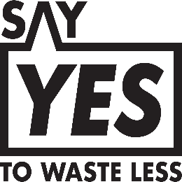 
The objective of the checklist is to guide F&B establishments on the reduction of disposables use to reduce waste generated. Disposables refer to items/packaging that are meant to be discarded after a single use, such as disposable bags, tableware, cutlery, and takeaway containers. They can be made of materials such as plastic, paper, wood, bamboo, and biodegradable plastic. This checklist focuses on the key areas in which F&B establishments could reduce the use of disposables. The end-to-end processes covered include Planning & Policy, Supply Chain Operations, Sales & Services, and Awareness & Education of stakeholders.

Who is it for?

Type 1: Restaurants, cafes and bars with in-house kitchens and dine-in areas
Type 2: Hawker stalls, food stalls, eating houses, food courts and canteens, where there are kitchen operations but in a relatively smaller space. Such establishments may include standing dine-in options such as high tables for patrons to have quick bites.
Type 3: Takeaway food/drink stalls, snack bars, food/drink trucks, and food/drink carts with no in-house kitchens

In the questionnaire, “establishments” will refer to any F&B establishment that falls under Types 1, 2 and 3.

How to use it?
To begin, please determine your type of establishment and click on the relevant tab. Answer the questions in each section accordingly and you will be rewarded with corresponding points. Add any supporting evidence to the “Comments” column to keep track of your answers. At the end of the checklist, add up the points to get your final score.
Points were awarded to each statement in the checklist based on the following metric: 1. Level of effort needed 2. Cost to implement the action 3. Amount of positive impact it would have on the environment.
Your results will be classified according to “basic”, “developing” or “progressive” based on whether you have scored below 30%, 30% to below 70% or 70% and above, respectively. Scored below 30%: Basic Scored between 30% to 70%: Developing Scored 70% and above: Progressive

Credits
The National Environment Agency would like to thank the following for their contribution to this checklist:
1. Participants from the Citizens' Workgroup on Reducing Excessive Consumption of Disposables for proposing the development of this checklist and producing its first draft;
2. Plastic-Lite Singapore for further developing the checklist; and
3. The F&B industry and members of the public for inputs provided on the checklist.

